Sheet1
Bug summary: | "Search" option on the "Our Store(s)" page does not work properly when seearching with the valid city name
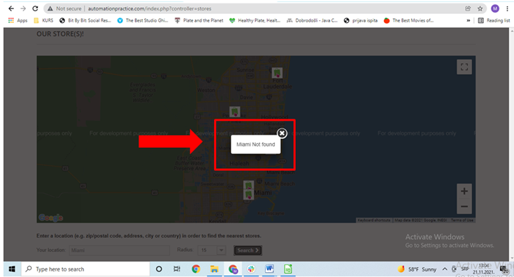 Description: | When the user opens the following link: http://automationpractice.com/index.php and scrolls to the bottom of the page, they will find a dark grey section with 3 headlines: "Categories", "Information" and "My account" one beside another. When the user clicks on the "Our stores" button under the "Information" headline, they will be redirected to the "Our store(s)" page. When the user enters a valid city name in the search field with the placeholder "Address, zip / postal code, city, state or country" located below the displayed Google Map field, chooses the correct radius from the drop down menu beside the "Search" field and clicks on the "Search" button, the following error message appears: "City Not Found". The valid city name is the name of the city which can be found on the Google Maps displayed in the center of the "Our Store(s)" page and that has a bag with a pointing finger icon near it. | ZADATAK: | Napraviti jedan bug report (aplikacija po izboru) domaci okaciti na google drive u formi google doc-a/google sheet-a
Steps to reproduce: | Open Google Chrome
 | Go to the following URL "http://automationpractice.com/index.php"
 | Scroll down to the bottom of the page
 | Click on "Our Stores" button under the "Information" headline
 | Scroll down until the field with the placeholder "Address, zip / postal code, city, state or country" appears
 | Enter a valid city name in the "Address, zip / postal code, city, state or country"
 | Choose "15" from the dropdown menu in the "Radius" field
 | Click on the "Search" button
 | Click on "OK" button on the error message
 | Enter another valid city name in the "Address, zip / postal code, city, state or country"
 | Choose "50" from the dropdown menu in the "Radius" field
 | Click on the "Search" button
 | Click on "OK" button on the error message
 | Enter another valid city name in the "Address, zip / postal code, city, state or country"
 | Choose "100" from the dropdown menu in the "Radius" field
 | Click on the "Search" button

Expected result: | The store in the selected radius of the valid city is found and the location of the nearest store is displayed on the screen.
Actual result: | The following error message appears on the screen: "*City* Not found"
Screenshot:

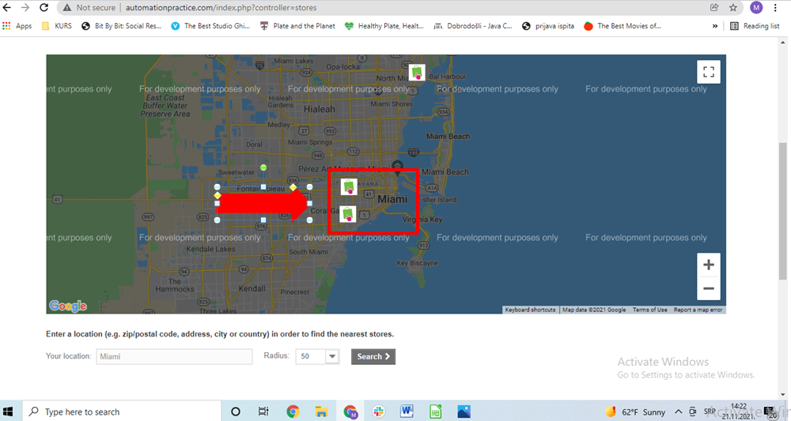

Priority: | Low
Severity: | Low
Repro Rate: | 100%

